Introduction
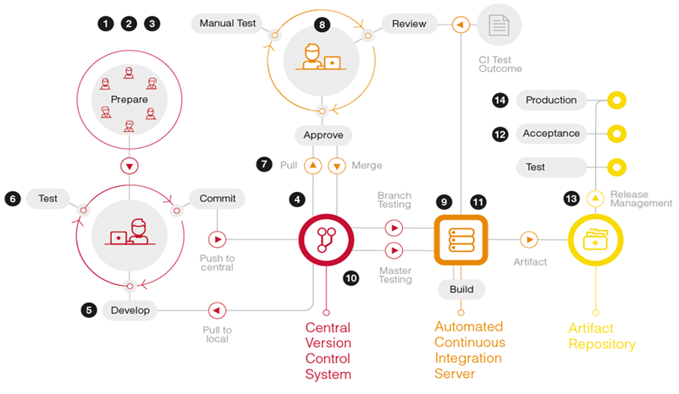
Reading Guide DevOps Control Framework

Version 2.0 of the DevOps control framework is part of the NOREA "DevOps in control" study report
For the full study report see: https://www.norea.nl/organisatie/kennis-en-werkgroepen/kennisgroep-software-development

The goal for this study report is to provide IT auditors, but also other information security and risk professionals, with a control framework to mitigate the key IT risks associated with agile and DevOps principles. Each implementation, that we as auditors might observe, will have its own unique approach towards implementing the core agile and DevOps principles. In the end the auditor will therefore need to properly assess the specific implementation that needs to be audited and cautiously select the proper controls from the control framework presented in this study report. In the figure below an example of a Delivery pipeline of a DevOps team is visualized. The numbered controls of the DevOps control framework presented have been inserted in this figure to provide better insight on the ‘location’ of these controls within the Delivery pipeline.

